Site Survey
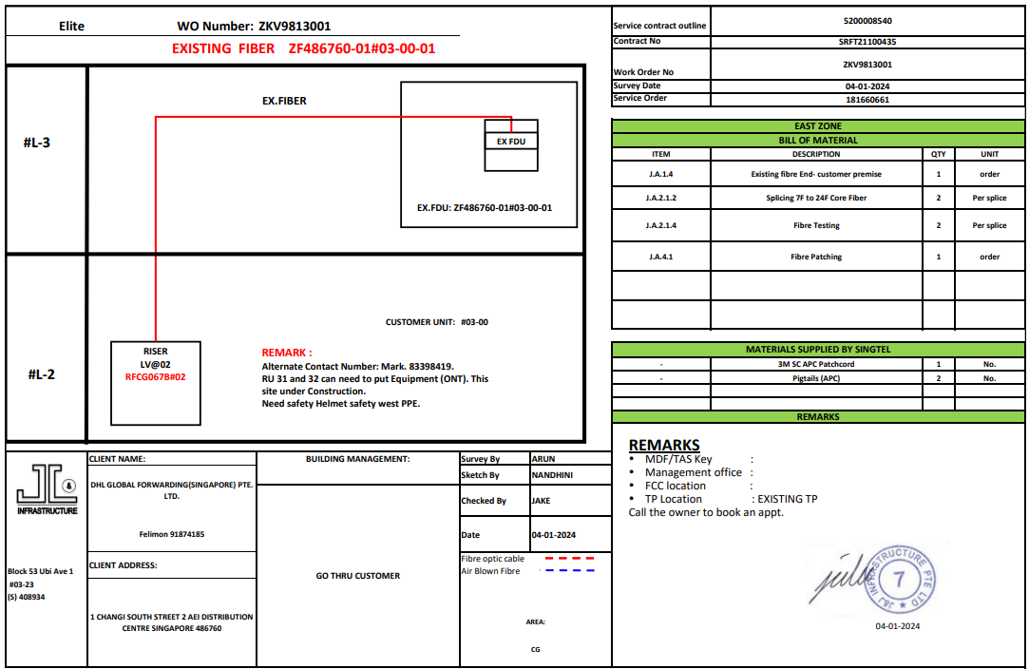

Diagram
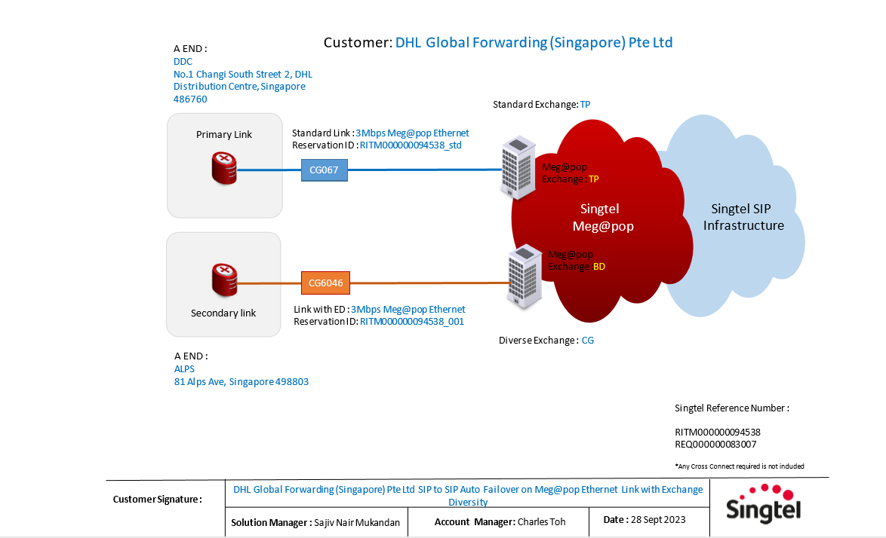

My Note
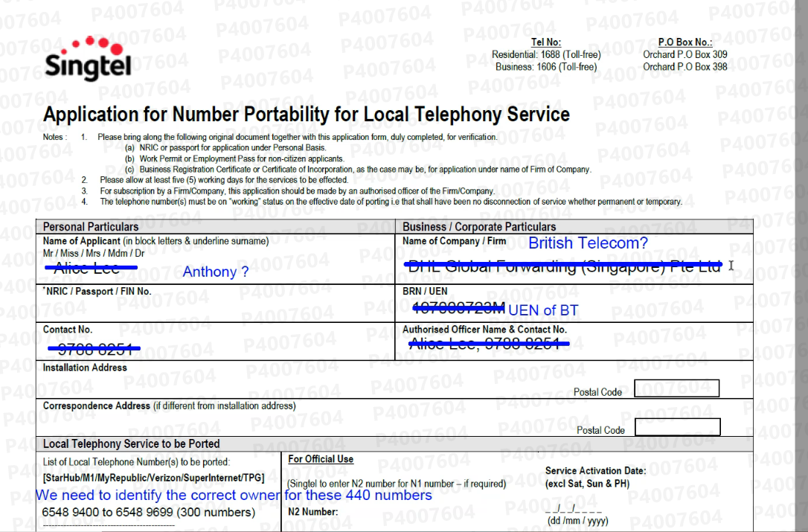
 | Basic Project Information | DHL Global Forwarding
1 | Led by GAM | EAG1
2 | ISAM | Charles Toh
3 | Solutions Manager | Sajiv Nair Mukandan
4 | Project Manager | To be assigned
5 | SDE | To be assigned
6 | Service to Provide | ISDN to SIP Migration
7 | Scope of Work |  | To port back 440 numbers from Starhub to Singtel SIP (new megapop elite 30cc trunk with caller ID).
 |  | To migrate 55 blocks of ISDN DDI. | To migrate 1 DEL 65427668 number to Singtel SIP.
 |  | With bundled access Meg@POP EthernetLink Access with Exchange Diversity (Active Active)
 |  | With Load Sharing, 30 concurrent calls. | 6548 9400 - 6548 9699(300 numbers) : Direct Absorption, no need number reservation
 |  |  | 6589 3300 - 6589 3399 (100 numbers) : Direct Absorption, no need number reservation
 |  | Migration in 1 phase
 |  | Target CRD Nov/Dec 2023 | 6589 3400- 6589 3439 (40 numbers) : reservation of N2 mapping done.
 |  | Target RFS: 20 Dec 2023 | 1 DEL 65427668 + 9 other SIP numbers to complete set of (10 numbers) : reservation of N2 mapping done.

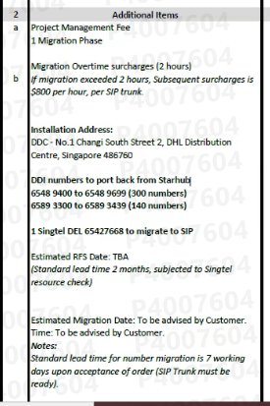
 |  |  | Note: N2 Numbers: 64214900 to 64214949 (50) Number reserved for 3 months.
8 | OLLC providers | NA
9 | Router provided by | -
10 | Any RMS | NA
11 | No. of site/link
12 | Proposed CRD of the sites | 20 Dec 2023
13 | Have your follow the Standard Lead Time as per GA guidelines | YES
14 | Intended 1st internal Kickoff Meeting date | To be managed by PM
15 | Order submitted to SDE | Not yet
16 | Customer signed SCRA | Not yet
17 | Provided Network Diagram | Yes but not confirmed by customer yet

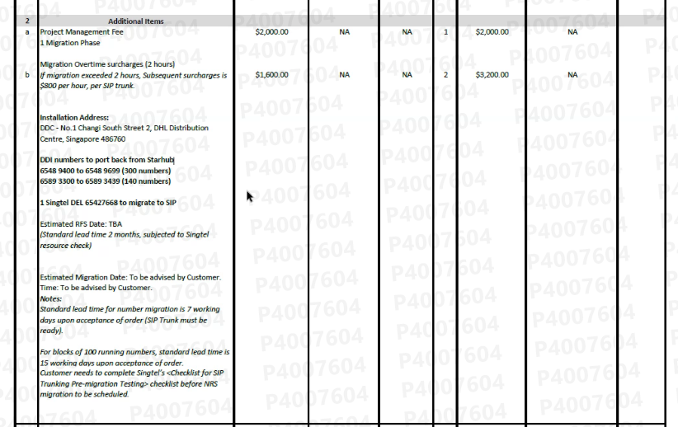
 |  | 3 Years term
 |  | 441 numbers
 |  | first 441 belongs to Starhub
 |  | port back from Starhub - Portback form

 |  | 6548 9400 - 6548 9699 (300 numbers) : Direct Absorption, no need number reservation
 |  | 6589 3300 - 6589 3399 (100 numbers) : Direct Absorption, no need number reservation

 |  | 6589 3400- 6589 3439 (40 numbers) : reservation of N2 mapping done.
 |  | 1 DEL 65427668 + 9 other SIP numbers to complete set of (10 numbers) : reservation of N2 mapping done.

